Sheet1
 |  | Document No. | Issue No. | Issue Date |  | Review and Replace Date |  | Authorised By
 |  | GFF231MC | 1 | 27.10.2020 |  | New Issue |  | Magda Shah
 |  | Document Title | CRISPY BATTERED CHICKEN WITH SWEET & SOUR SAUCE 320G
Document amendments reason for change |  | New Document, amendment to existing product, weight reduced to 320g |  |  | Page 1 of 1 | Previous Issue Date | New Issue | Uncontrolled copy unless signed original

CCHKSS-1R4TEB | BOOTHS AYR |  | CRISPY BATTERED CHICKEN WITH SWEET & SOUR SAUCE 320G
STEP 1 |  |  |  |  | STEP 2
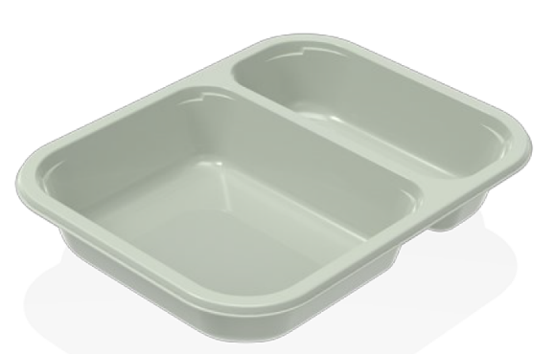 |  |  |  |  | 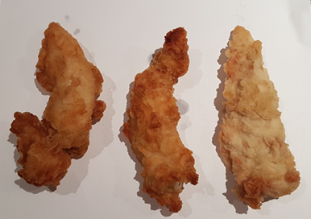

Tray: EVOLVE CPET 2200-2C (PKRHP001-12) |  |  |  |  | Batter Chicken Fillet (GFF152R): 170g
Line 1: Mylar 250LAF 250mm x 1000 (PKWRA001-08)
Line 1: K-Peel 75G + AF 25 250mm (PKKMP001-01)
Line 2: Mylar 25OLAF - 380mm wide (PKWRA001-02)
STEP 3 |  |  |  |  | STEP 4
 |  |  |  |  | 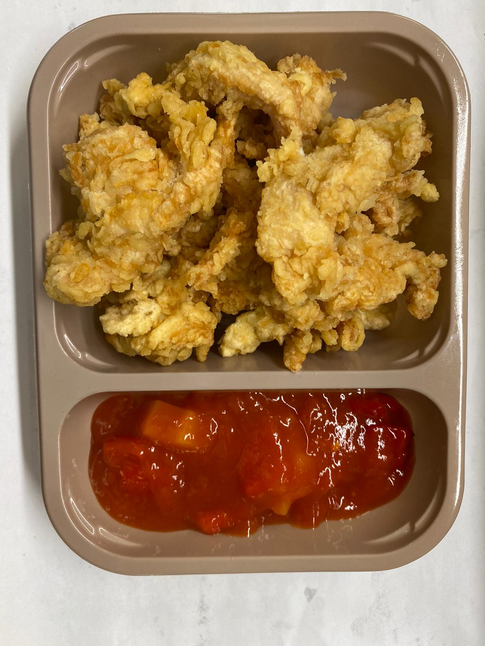

PACK DAY
+ 12 DAYS

Sweet & Sour Sauce (GFF146R): 150g |  |  |  |  | TOTAL WEIGHT: 320g

ALLERGY ALERT: Soya, Wheat

